PROBLEMA1 (2)
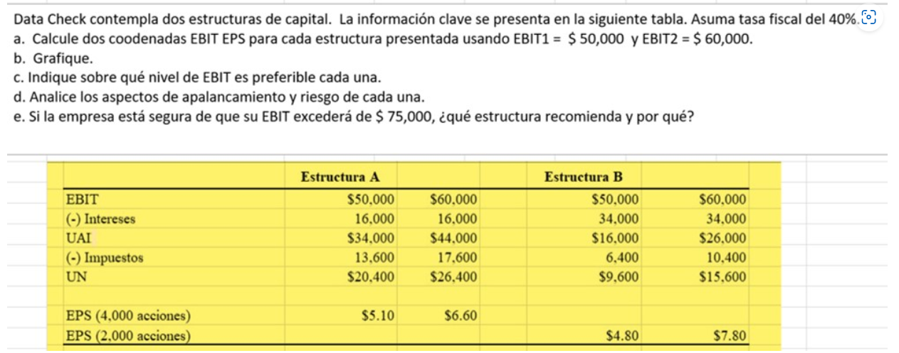

Acciones | 4000 |  |  | Acciones | 2000
Estructura A |  |  |  | Estructura B
EBIT = UAII | Q50,000.00 | Q60,000.00 |  | EBIT | Q50,000.00 | Q60,000.00
(-) Intereses | Q16,000.00 | Q16,000.00 |  | (-) Intereses | Q34,000.00 | Q34,000.00
UAI | Q34,000.00 | Q44,000.00 |  | UAI | Q16,000.00 | Q26,000.00
(-) Impuestos | Q13,600.00 | Q17,600.00 |  | (-) Impuestos | Q6,400.00 | Q10,400.00
UN = UDAC | Q20,400.00 | Q26,400.00 |  | UN | Q9,600.00 | Q15,600.00

EPS (UPA) | $5.10 | $6.60 |  | EPS (UPA) | Q4.80 | Q7.80

COORDENADAS | X | Y |  |  | X | Y
EBIT | Q50,000.00 | $5.10 |  |  | Q50,000.00 | Q4.80
EPS | Q60,000.00 | $6.60 |  |  | Q60,000.00 | Q7.80
PE FINACIERO | Q16,000.00 | 0 |  |  | Q34,000.00 | 0

$$UAII=Intereses+\frac{Dividendo Preferente}{1 −Tasa Fiscal}$$

GRÁFICO EBIT-EPS

$$GAP= \frac{\left(1−T\right)x \left(UAII−I\right)−DP}{n}$$
d) Niveles de Preferencia |  |  | = |  | PARA BUSCAR EL PUNTO DE EQUILIBRIO SE IGUALAN LAS FÓRMULAS
 |  | UPA = GPA
$$GAP= \frac{\left(1−T\right)x \left(UAII−I\right)−DP}{n}$$
$$\frac{\left(1−T\right)x \left(UAII−I_{A}\right)−{DP}_{A}}{n_{A}}= \frac{\left(1−T\right)x \left(UAII−I_{B}\right)−{DP}_{B}}{n_{B}}$$

$$n_{B}∗(\left(1−T\right)x \left(UAII−I_{A}\right)−{DP}_{A})= \left(\left(1−T\right)x \left(UAII−I_{B}\right)−{DP}_{B}\right)∗n_{A}$$
 |  | 7500 | Q6,000.00
 |  |  | 30000
 |  | UIAA = | Q27,600.00
Si las UAII < 52000 se prefiere la estructura A.
Si las UAII > 52000 se prefiere la estructura B.
Si las UAII = 52000 es indistinto.
$$n_{B}∗( \left(1−T\right)UAII−\left(1−T\right)I_{A}−{DP}_{A})= \left(\left(1−T\right)UAII−{\left(1−T\right)I}_{B}−{DP}_{B}\right)∗n_{A}$$

$$n_{B}\left(1−T\right)UAII−n_{B}\left(1−T\right)I_{A}−{n_{B}DP}_{A}= n_{A}\left(1−T\right)UAII−{n_{A}\left(1−T\right)I}_{B}−{n_{A}DP}_{B}$$

$$n_{B}\left(1−T\right)UAII−n_{A}\left(1−T\right)UAII= −{n_{A}\left(1−T\right)I}_{B}−{n_{A}DP}_{B}+n_{B}\left(1−T\right)I_{A}+{n_{B}DP}_{A}$$

$$\left(1−T\right)UAII({ n}_{B}−n_{A})= −{n_{A}\left(1−T\right)I}_{B}−{n_{A}DP}_{B}+n_{B}\left(1−T\right)I_{A}+{n_{B}DP}_{A}$$
c) Apalancamiento Financiero
$$UAII=\frac{n_{A}\left(−{\left(1−T\right)I}_{B}−{DP}_{B}\right)+n_{B}(\left(1−T\right)I_{A}+{DP}_{A})}{\left(1−T\right)\left({ n}_{B}−n_{A}\right)}$$

 |  |  |  | 0
 |  |  |  | 0.4
 |  |  |  |  | UAII | -Q81,600,000.00 | Q19,200,000.00 | 1200
 |  |  |  |  |  |  | -52000

